Chart
Town of Addison, Texas: Inflation-Adjusted Tax-Supported Debt Per Capita, Fiscal Years 2021-2025 (2022 Dollars)
2021 | $6,422
2022 | $6,216
2023 | $6,010
2024 | $5,468
2025 | $5,948

How-to
CPI Inflation Calculator: http://www.bls.gov/data/inflation_calculator.htm

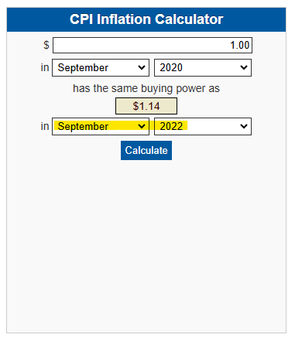

CPI Databases: http://www.bls.gov/cpi/#data

